NASA MEN'S
STYLE | COLOR | QUANTITY | PRICE | SIZE RUN
Alpha | Grey | 3,510 | $10.00 | 8 | 9 | 10 | 11 | 12 | 13
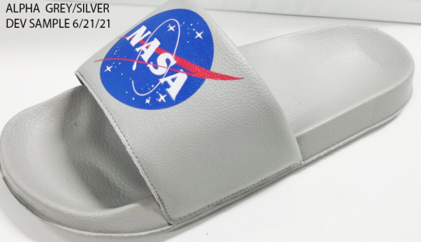 |  |  |  | 2 | 3 | 3 | 2 | 1 | 1

Alpha | Black | 3,576 | $10.00
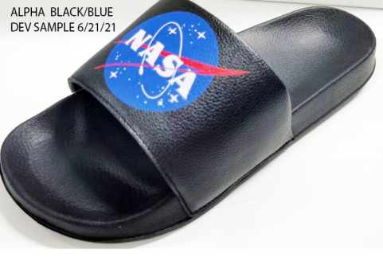

Alpha | White/Blue | 4,056 | $10.00
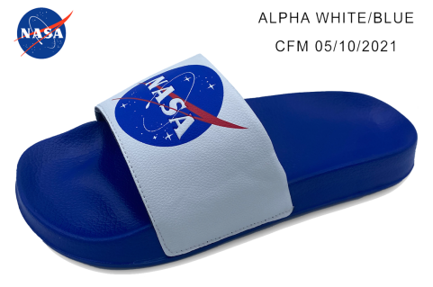

COSMO | BLACK | 1,884 | $10.00
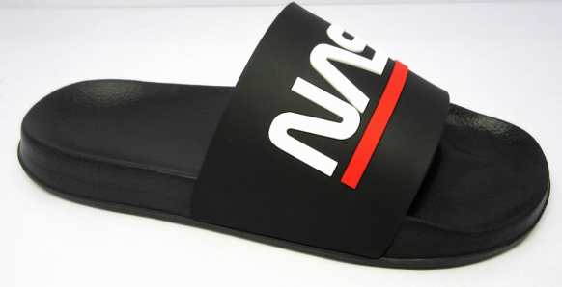

Cosmo | Light Grey/Black | 2,208 | $10.00
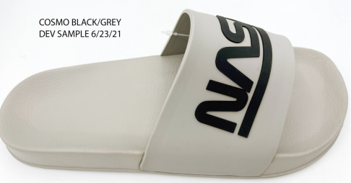

Cosmo | White/Black | 3,504 | $10.00
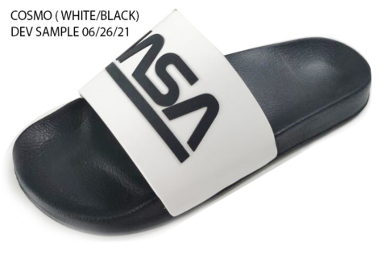

Cosmo | White/Navy | 3,468 | $10.00
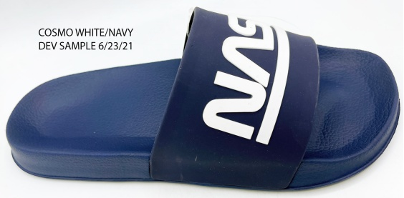

 | GRAND TOTAL: | 22,206

Nasa Women's
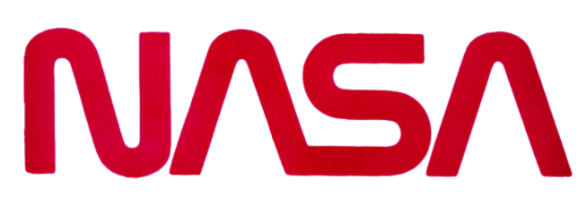

STYLE | COLOR | QUANTITY | SIZE RUN
CAMBRIA | WHITE/PINK | 2,760 | 6 | 7 | 8 | 9 | 10 | 11
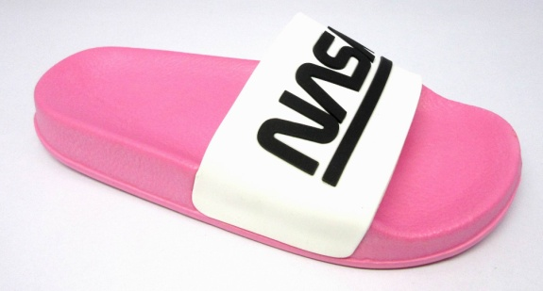 |  |  | 1 | 3 | 3 | 2 | 2 | 1

CAMBRIA | PEACH/BLACK | 3,492
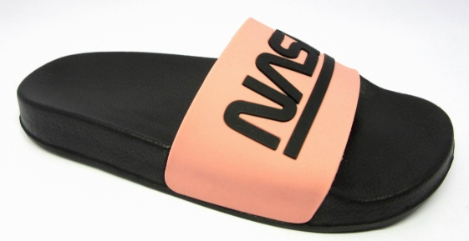

CAMBRIA | BLACK/PINK | 3,600
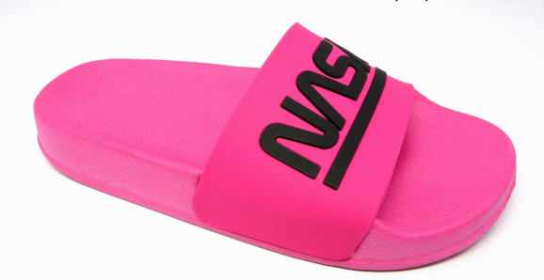

CAMBRIA | BLACK/LILAC | 3,240
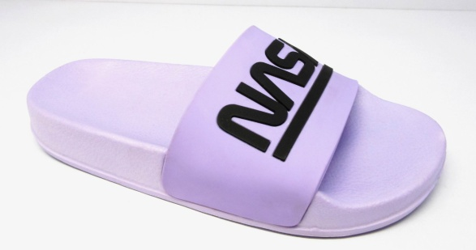

CAMBRIA | BLACK/LIME | 3,288
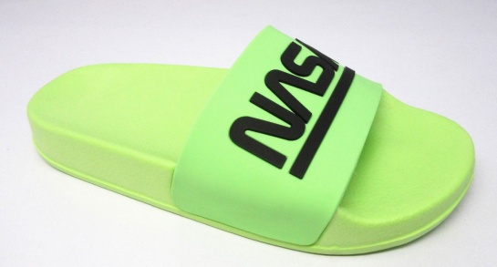

AILEEN | WHITE/NAVY | 4,080
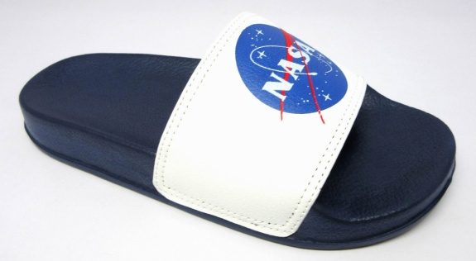

 | GRAND TOTAL: | 20,460

Nasa Kids
STYLE | COLOR | QUANTITY | SIZE RUN
COMET-B | BLACK | 1,800 | 11 | 12 | 13 | 1 | 2 | 3
 |  |  | 1 | 2 | 2 | 3 | 2 | 2

COMET-B | NAVY | 2,040
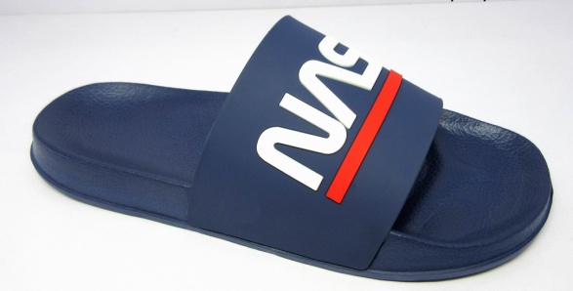

ALTITUDE-B | WHITE/BLUE | 1,380
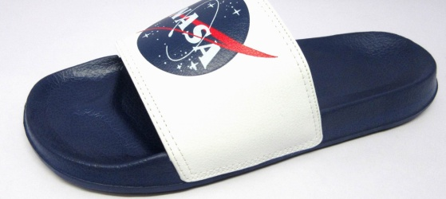

CARTER-G | PINK/WHITE | 2,352

ASTEROID-G | WHITE/NAVY | 2,400

 | GRAND TOTAL: | 9,972

